Sheet1
Serbian |  |  | MEDIUM

 | per_device_train_batch_size |  | 32 | 32
 | gradient_accumulation_steps |  | 1 | 1
 | learning_rate |  | 1.00E-05 | 1.00E-05
 | warmup_steps |  | 700 | 100
 | max_steps |  | 800 | 800
 | WER |  | 11.817 | 11.614
 | Time taken to train |  | 2 HR 20 MIN + good 30 mins push | 2hr 27 min + uploading

Observation
1. Warm up steps does affect

Vietnamese |  |  | SMALL | MEDIUM | MEDIUM
 | per_device_train_batch_size |  | 16 | 16 | 32 | 16 | 8
 | gradient_accumulation_steps |  | 2 | 2 | 2 | 1 | 1
 | learning_rate |  | 3.50E-05 | 3.50E-05 | 3.50E-05 | 3.50E-05 | 3.50E-05
 | warmup_steps |  | 500 | 100 | 100 | 100 | 100
 | max_steps |  | 600 | 600 | 600 | 600 | 600
 | WER |  | 26.4 | 20.93 | 20.336 | 20.65 | upnext
 | Time taken to train |  | 1.5 hrs | 2.5 hrs | 3 hr 26 mins + 12+ 10 | 1 hr + 40 min + 10 min+12 min | upnext

 |  |  |  | (BASELINE)

Malayalam
 |  |  | SMALL | SMALL | SMALL | SMALL | SMALL | SMALL | SMALL
 | per_device_train_batch_size |  | 16 | 16 | 16 | 16 | 16 | 16 | 16 | 16 | 8 | 4 | 2
 | gradient_accumulation_steps |  | 1 | 1 | 1 | 1 | 1 | 1 | 2 | 4 | 1 | 1 | 1
 | learning_rate |  | 1.00E-05 | 1.00E-05 | 1.00E-05 | 1.00E-05 | 1.00E-05 | 1.00E-05 | 1.00E-05 | 1.00E-05 | 1.00E-05 | 1.00E-05 | 1.00E-05
 | warmup_steps |  | 100 | 200 | 300 | 400 | 500 | ZERO | 100 | 100 | 100 | 100 | 100
 | max_steps |  | 600 | 600 | 600 | 600 | 600 | 600 | 600 | 600 | 600 | 600 | 600
 | WER |  | 41.44 | 42.84 | 42.784 | 42.209 | 43.103 | 41.57 | 43.61 | 45.61 | 41.8 | 43.5 | 42.017
 | Time taken to train |  | 1 hr + 44 mins | 1 hr + 51 mins | 1 hr + 47 mins | 1 hr + 42 mins | 1 hr + 42 mins | 1 hr + 51 mins | 3 h 1 min | 5 h 30 mins | 1 hr 20 min | 1 hr 5 mins | 57 mins
 | Overfitting
 |  |  | by increasing eval_steps by 100, time taken to train was 1 hr + | by decreasing the eval steps to 50, time taken to train the model was 2 hr 10 mins, plus I ran into memory related issues(memory and disk space)
 |  |  | 1 hr + 23 mins | 2 hrs + 30 mins
Part 1: |  |  |  | (memory and disk space issues)
 |  |  |  | Error cleaning LFS object: write /content/whisper-small-ml-evalstep-analysis-test2/.git/lfs/tmp/022366933: no space left on device error: packet write failed error: external filter 'git-lfs filter-process' failed fatal: pytorch_model.bin: clean filter 'lfs' failed

7.50E-05 | 1 hr 32 mins
1.00E-05 | 1 hr 22 mins
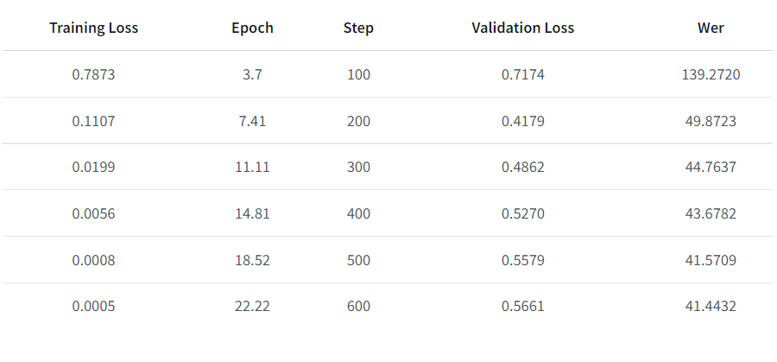

Part 2

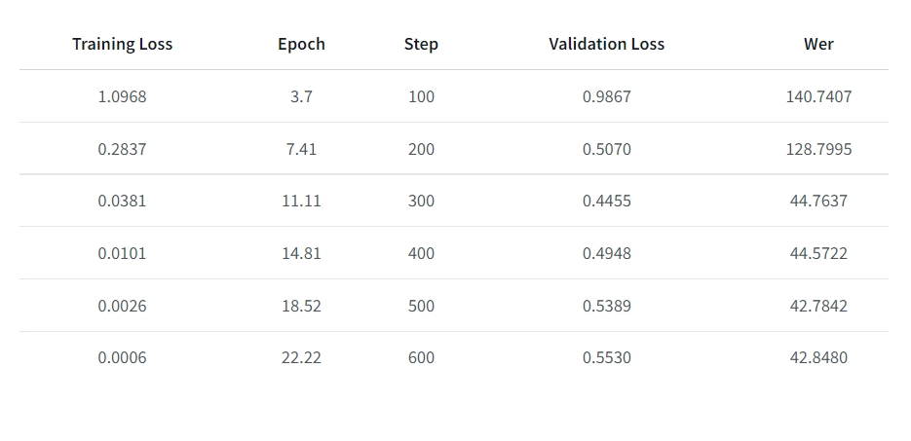

Part 3

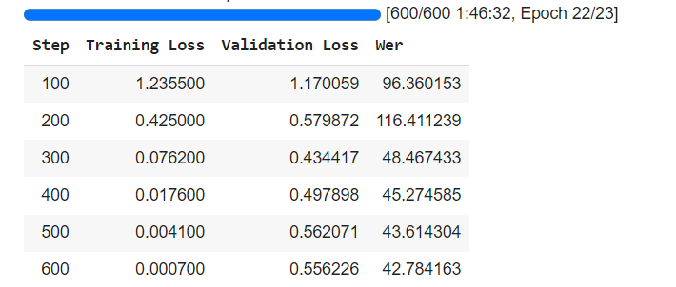

Part 4

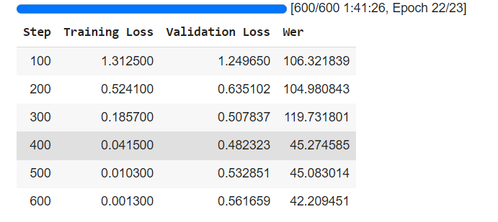

Part 5
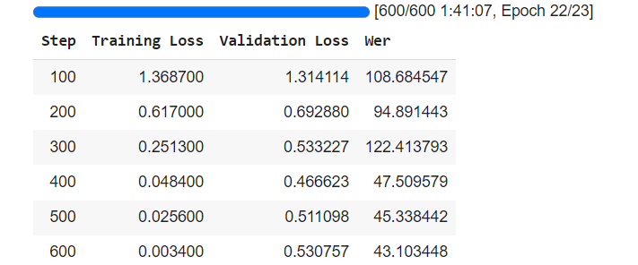

Part 6
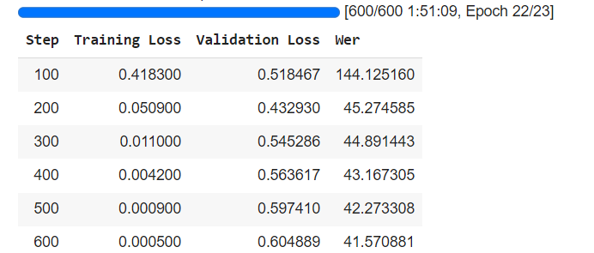

Nepali
 | LARGE |  | LARGE
BATCH SIZE | 8 |  | 8
GRAD | 1 |  | 1
LEARNING RATE | 1.00E-05
WARMUP | 100
MAX STEPS | 1000
 | 51.21
 | 44 MINS

Kazakh

 |  | LARGE | MEDIUM | MEDIUM | MEDIUM |  | SMALL | SMALL
 |  | 8 | 8 | 8 |  |  | 16 | 16 | 16
 |  | 1 | 1 | 1 |  |  | 1 | 1 | 1
 |  | 1.00E-05 | 1.00E-05 | 1.00E-06 |  |  | 1.00E-05 | 7.50E-05 | 1.00E-06
 |  | 100 | 100 | 100 |  |  | 100 | 100 | 100
 |  | 1000 | 1000 | 1000 |  |  | 1000 | 1000 | 1000
 | WER | 35.54 | 37.734 | 48.17 |  |  | 45.807 | 45.13
 | TIME | 40 MINS | 40 mins | 40 mins |  |  | 1 HR 36 MINS | 1 HR 40 MINS

NEPALI |  | LARGE | LARGE | LARGE | LARGE | LARGE

 | BATCH SIZE | 8 | 8 | 8 | 8 | 8 | 8 | 8 | 8
 | GRAD | 1 | 1 | 1 | 1 | 1 | 1 | 1 | 1
 | LEARNING RATE | 1.00E-06 | 1.00E-05 | 1.00E-06 | 1.00E-06 | 1.00E-06 | 1.00E-06 | 1.00E-06 | 1.00E-06
 | WARMUP | 100 | 100 | 100 | 100 | 100 | 100 | 100 | 100
 | MAX STEPS | 1000 | 1000 | 1500 | 500 | 400 | 300 | 200 | 100
 |  | 41.46 | 51.21 | 46.34 | 46.34 | 41.46 | 39.024 | 21.951 | 58.53
 | TIME | 44 mins |  | 1 hr 4 mins | 21 mins | 19 mins | 15 MINS | 8 mins | 4 mins

